Sheet1
Region 17 Intro | Preview Visit Candy Apple Shop |  |  |  | Character Animation Reference Doc
Props | Type | CONFIG ID | Animation Parameters | Item Id
N/A | N/A | N/A | N/A | N/A
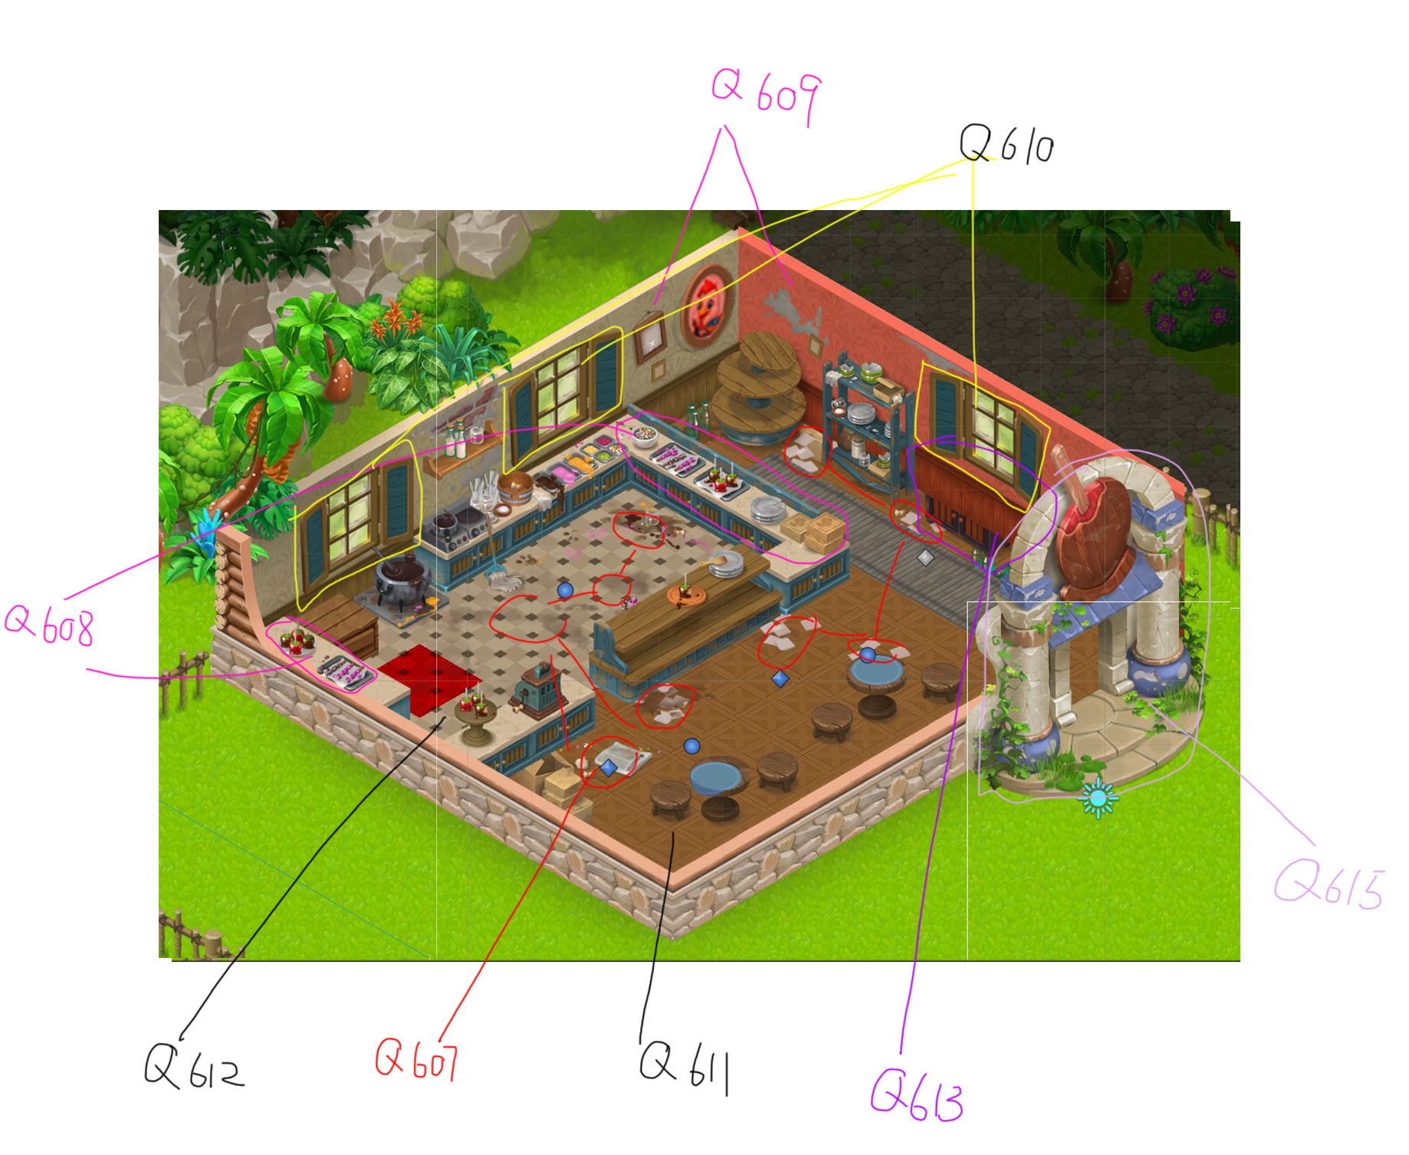
Staging | Character | Emote | Dialog
Preview for 606
Location: Froyo Shop -- Continuing from the end of Chapter 53. | Aggy | Pointing | The Sun Dance celebration is over, the Froyo Shop is open, and Cherry and Buzz are in love. | FTUE_R17_Intro_1
 | Aggy | Thankful | We also appeased the sun for another year. Wonderful! | FTUE_R17_Intro_2
 | Aggy | Thumbs Up | Now let's celebrate! ...By immediately moving onto my favorite shop, the Candy Apple Shop! I'll show it to you. | FTUE_R17_Intro_3

Quest 606 | Visit Candy Apple Shop
Props | Type | CONFIG ID | Animation Parameters | Item Id
N/A | N/A | N/A | N/A | N/A
Staging | Character | Emote | Dialog
Location: Candy Apple Shop -- Aggy brings Joy and Scoops to the Candy Apple Shop. | Aggy | Pointing | Here it is! Do you feel like eating candy apples yet? I think there are some old ones inside. | Quest_606_Dialog_1
 | Scoops | Thinking | Aggy, you know I'm always in the mood to eat. But first I must ensure this shop is set to its highest standard! | Quest_606_Dialog_2
 | Joy | Aha | I see Scoops getting started early with the inspecting this time. I know {USER_NAME} and I am excited to get to work. | Quest_606_Dialog_3
 | Scoops | Pointing | I need to get in the inspecting mood. What's my motivation? Why is the shop like this? Was it a tragedy? I need details. | Quest_606_Dialog_4
 | Aggy | Sad | Well, animals came to the shop. Then the Sugar Crash happened. And then animals stopped coming, so we closed it. | Quest_606_Dialog_5
Preview for 607 and 608:
 | Scoops | Sad | Leaving all these candy apples to rot... What a tragic tale indeed... | Quest_607_608_Intro_1
 | Scoops | Excited | Anyway, let's get this renovation started. I see a lot of messes that need cleaning! | Quest_607_608_Intro_2

Quest 607 | Clean Up Floors
Props | Type | CONFIG ID | Animation Parameters | Item Id
R17_FLOOR_DIRT | Progression | 0 | exit | 0
Staging | Character | Emote | Dialog
Joy cleans the floors while Scoops stands to the side. | Joy | Tired | Whew, cleaning up all these floors sure took a lot out of me. That dirt had been piling up for years. | Quest_607_Dialog_1
 | Joy | Annoyed | Say, Scoops, are you actually going to help us with the next task, or just stand there and watch? | Quest_607_Dialog_2
 | Scoops | Waving | I'm sorry, Joy. I prefer to judge from a distance. It's my job to inspect, not to participate. | Quest_607_Dialog_3

From 607 or 608: Preview for 609
Shares preview sequence with 608 | Scoops | Happy | Now let's move onto the wallpaper! I want something that's going to last another thousand levels. | Quest_609_Intro_1
 | Scoops | Pointing | I'm talking high-quality finish and intricate designs. I know you can do it! | Quest_609_Intro_2

Quest 608 | Clean Up Counters
Props | Type | CONFIG ID | Animation Parameters | Item Id
R17_COUNTER_TRASH | Progression | 0 | exit | 0
Staging | Character | Emote | Dialog
Joy cleans the counters. Scoops examines them after she's finished. | Scoops | Pointing | Joy, you missed a spot over here. | Quest_608_Dialog_1
 | Joy | Sick | Are you sure? We double-checked everywhere. We did a great job! | Quest_608_Dialog_2
 | Scoops | Sad | I don't know, this sure looks like a spot to me. | Quest_608_Dialog_3
 | Joy | Annoyed | And how do you define 'spot'? | Quest_608_Dialog_4
 | Scoops | Thinking | Oh, you know... it's spotty... and noticeable. Like a speck, but with more prominence. Just trust me on this one. | Quest_608_Dialog_5
From 607 or 608: Preview for 609
Shares preview sequence with 607 | Scoops | Happy | Now let's move onto the wallpaper! I want something that's going to last another thousand levels. | Quest_609_Intro_1
 | Scoops | Pointing | I'm talking high-quality finish and intricate designs. I know you can do it! | Quest_609_Intro_2

Quest 609 | Choose Walls
Props | Type | CONFIG ID | Animation Parameters | Item Id
R17_WALLS | Custom | N/A | N/A | N/A
Staging | Character | Emote | Dialog
The wallpaper is up, and Aggy enters the shop to join Scoops and Joy. | Aggy | Thumbs Up | That wallpaper is so colorful! Does this mean the renovations for the shop are done? | Quest_609_Dialog_1
 | Joy | Annoyed | Um... No, Aggy. There's still a lot to do. We've hardly touched this shop. | Quest_609_Dialog_2
 | Aggy | Sad | Oh... Well, that's disappointing. I'll admit, I'm not really sure what renovations are supposed to look like. | Quest_609_Dialog_3
 | Aggy | Excited | But anyway, I'm sure your team will do wonders. Have fun! | Quest_609_Dialog_4
 | Aggy | Pointing | If renovations are even fun, that is. Fun... F.U.N. Fun... Fffuuunnn... Fun, it's such a strange word. | Quest_609_Dialog_5
Preview for 610, 611, and 612
 | Scoops | Pointing | It is! But you know what isn't strange? My fancy scarf, some new shutters, and floors! Let's get to work, {USER_NAME}. | Quest_610_611_612_Intro_1
 | Scoops | Excited | Mom used to ask, "Are you working hard, or hardly working?" Usually it was the latter, but this time I'm working hard! | Quest_610_611_612_Intro_2

Quest 610 | Fix Shutters
Props | Type | CONFIG ID | Animation Parameters | Item Id
R17_WINDOWS | Custom | N/A | N/A | N/A
Staging | Character | Emote | Dialog
Joy / Scoops near the interior windows | Scoops | Waving | I must say, Joy, these shutters are a solid B+. Well done. | Quest_610_Dialog_1
 | Joy | Annoyed | B+? Scoops, we did a good job. These shutters are worth an 'A,' and you know it. | Quest_610_Dialog_2
 | Scoops | Thinking | I'm sorry, Joy. I can't hear you over the sound of me writing a 'B+' on my inspection sheet. | Quest_610_Dialog_3

From 610, 611, or 612: Preview for 613
Shared Preview With 611, 612 | Joy | Sad | Scoops, we need to talk. I hate to say this, but your constant inspecting is starting to get overwhelming. | Quest_613_Intro_1
 | Scoops | Surprised | Joy, you must understand. I am only ensuring the utmost quality in our Candy Apple Shop renovations. | Quest_613_Intro_2
 | Scoops | Excited | Now let's move onto the buffet counter! It's the perfect way to stack a plate with unhealthily large amounts of food. | Quest_613_Intro_3

Quest 611 | Choose Floors 1
Props | Type | CONFIG ID | Animation Parameters | Item Id
R17_FLOOR | Custom | N/A | N/A | N/A
Staging | Character | Emote | Dialog
Scoops examines the floor, and Joy tells him they're clean enough to eat off. | Scoops | Thinking | Hmm... HMM... I will say, the new floors you put in seem extra floor-y. | Quest_611_Dialog_1
 | Joy | Waving | Is that good? It was a lot of work, but these new floors are clean enough to eat off of! | Quest_611_Dialog_2
 | Scoops | Waving | Oh, really? I'll have to be the judge of that. Quick, someone get me a spoon and some dessert. | Quest_611_Dialog_3

From 610, 611, or 612: Preview for 613
Shared Preview With 610, 612 | Joy | Sad | Scoops, we need to talk. I hate to say this, but your constant inspecting is starting to get overwhelming. | Quest_613_Intro_1
 | Scoops | Surprised | Joy, you must understand. I am only ensuring the utmost quality in our Candy Apple Shop renovations. | Quest_613_Intro_2
 | Scoops | Excited | Now let's move onto the buffet counter! It's the perfect way to stack a plate with unhealthily large amounts of food. | Quest_613_Intro_3

Quest 612 | Choose Floors 2
Props | Type | CONFIG ID | Animation Parameters | Item Id
R17_FLOOR_B | Custom | N/A | N/A | N/A
Staging | Character | Emote | Dialog
Scoops worries the floors are too shiny, but Joy insists that's just what new floors look like. | Scoops | Waving | As an inspector, I must insist these new floors are far too shiny. I could easily get distracted and trip. | Quest_612_Dialog_1
 | Joy | Annoyed | Scoops, that's what new floors are supposed to look like. It means they're clean and freshly laid. | Quest_612_Dialog_2
 | Scoops | Thinking | That's just what the floors want you to think... | Quest_612_Dialog_3

From 610, 611, or 612: Preview for 613
Shared Preview With 610, 611 | Joy | Sad | Scoops, we need to talk. I hate to say this, but your constant inspecting is starting to get overwhelming. | Quest_613_Intro_1
 | Scoops | Surprised | Joy, you must understand. I am only ensuring the utmost quality in our Candy Apple Shop renovations. | Quest_613_Intro_2
 | Scoops | Excited | Now let's move onto the buffet counter! It's the perfect way to stack a plate with unhealthily large amounts of food. | Quest_613_Intro_3

Quest 613 | Build Buffet Counters
Props | Type | CONFIG ID | Animation Parameters | Item Id
R17_BUFFET | Custom | N/A | N/A | N/A
Staging | Character | Emote | Dialog
Scoops inspects the buffet counter. | Scoops | Thinking | Let me take a closer look at the buffet counter... I wonder if the serving trays should be wider. I have a big stomach. | Quest_613_Dialog_1
 | Joy | Annoyed | Scoops, I don't think it's necessary to inspect every little thing as it's added. | Quest_613_Dialog_2
Buzz walks into the shop | Buzz | Excited | Hey, guys! It's been really nice having Cherry back. I got to say— | Quest_613_Dialog_3
 | Joy | Waving | Buzz, our old inspector! Remember how you waited to inspect a shop until after all renovations were finished? | Quest_613_Dialog_4
 | Buzz | Confused | I mean, sure, I suppose. It meant fewer trips to the shop, which was great considering my mounting piles of paperwork. | Quest_613_Dialog_5
Preview for 614
Scoops walks away from Buzz and Joy and the papers start to fall to the floor in a trail behind him. | Scoops | Surprised | The paperwork is the most important part! It has all the codes, guidelines, and violations. You just need to trust me. | Quest_614_Intro_1
 | Scoops | Happy | Inspecting every detail as it happens is part of my artistic process. It's why I—wait, why am I missing so many papers? | Quest_614_Intro_2

Quest 614 | Pick Up Scoops' Papers
Props | Type | CONFIG ID | Animation Parameters | Item Id
Prop_R17_Scoops_Papers | In-quest(Embed in quest prefab. ex: Quest_R16_580) | N/A | activate, exit | 0
Staging | Character | Emote | Dialog
Buzz, Joy, and Scoops pick up the papers. They're in a stack next to Scoops. | Scoops | Thankful | Whew, what a relief! Thanks, everyone. For a second I thought my entire life's meaning was on the floor. | Quest_614_Dialog_1
 | Buzz | Confused | THIS is your life's meaning? I'm getting the feeling these inspections are getting a little tense. | Quest_614_Dialog_2
 | Buzz | Happy | Scoops, it wasn't constant supervision that made your shops so wonderful. It was all of you working as a team. | Quest_614_Dialog_3
 | Scoops | Thinking | I suppose you make a point. Maybe, just maybe, I got a TINY bit carried away... | Quest_614_Dialog_4
 | Scoops | Waving | Besides, all this work is really distracting me from the most important part of all this: eating! | Quest_614_Dialog_5
Preview for 615
 | Buzz | Thinking | That's the spirit! Now if only I could get back to relaxation. All this mayoral back-and-forth is exhausting... | Quest_615_Intro_1
 | Buzz | Happy | Anyway, let's get the shop entrance put up. I need to ferry back to Sweet Escapes again for some mayoral stuff soon. | Quest_615_Intro_2

Quest 615 | Choose Shop Entrance
Props | Type | CONFIG ID | Animation Parameters | Item Id
R17_ENTRANCE | Custom | N/A | N/A | N/A
Staging | Character | Emote | Dialog
The new entrance is put up, and Cherry stops by alongside Joy, Scoops, and Buzz. | Scoops | Excited | The new entrance looks great, {USER_NAME} and Joy! You get two flippers up. No inspection needed! | Quest_615_Dialog_1
 | Cherry | Happy | I agree. A stylish entrance like that is already making this pooch want to twirl inside. | Quest_615_Dialog_2
 | Buzz | Confused | Yeah, it, uh... looks great. I suppose that means it's time for me to ferry back to Sweet Escapes... again. | Quest_615_Dialog_3
 | Cherry | Sad | My poor hyena. I noticed you've been leaving on the boat a lot lately. It must be hard running Sweet Escapes from here. | Quest_615_Dialog_4
 | Cherry | Pointing | I think that was the best part about being an islander. I didn't have to worry about anything. I could relax all day. | Quest_615_Dialog_5
 | Buzz | Thinking | That sounds really nice. Maybe I can find some of my own ways to relax on the island... | Quest_615_Dialog_6

END OF CHAPTER

